Sheet1
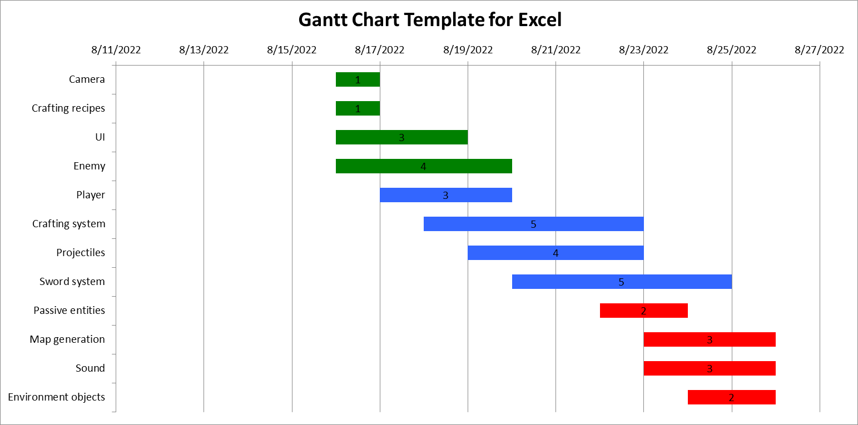
Task |  | Start date | End date | Allocated to | Total days
1 | Camera | 8/16/2022 | 8/16/2022 | Sze Ting | 1
2 | Crafting recipes | 8/16/2022 | 8/16/2022 | Winston | 1
3 | UI | 8/16/2022 | 8/18/2022 | Reagan | 3
4 | Enemy | 8/16/2022 | 8/19/2022 | Gabriel | 4
5 | Player | 8/17/2022 | 8/19/2022 | Sze Ting | 3
6 | Crafting system | 8/18/2022 | 8/22/2022 | Reagan | 5
7 | Projectiles | 8/19/2022 | 8/22/2022 | Winston | 4
8 | Sword system | 8/20/2022 | 8/24/2022 | Sze Ting | 5
9 | Passive entities | 8/22/2022 | 8/23/2022 | Gabriel | 2
10 | Map generation | 8/23/2022 | 8/25/2022 | Winston | 3
11 | Sound | 8/23/2022 | 8/25/2022 | Reagan | 3
12 | Environment objects | 8/24/2022 | 8/25/2022 | Gabriel | 2

